Mind Map
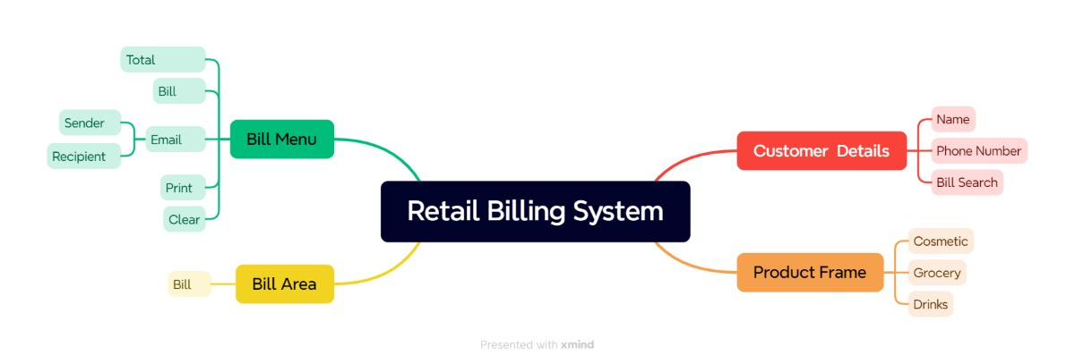

Test Summary Report
Test Case Report |  |  |  |  |  | Result:
Project Name | Retail Billing System |  |  |  |  | Status | Total No.
Module Name | Home Page |  |  |  |  | Pass | 17
Feature Name | All |  |  |  |  | Fail | 5
Test Case Version | 1 |  |  |  |  | Not Executed | 0 | New Features | Test Scope | Test Environment : Google Chrome Browser
Written By | MD. Antar |  |  |  |  | Out of Scopse | 0
Reviewed By

Test Case Report
TEST EXECUTION RESULT
Test Case | Pass | Fail | No Execution | Out of Scope | Total Test Case
 | 17 | 5 | 0 | 0 | 22
 | 17 | 5 | 0 | 0 | 22

LIMITATIONS
Ducoment |  |  |  | Received | Useful
PRD |  |  |  | NO | NO
USER STORY |  |  |  | NO | NO

 | Testing Type in Scope |  | Description
Yes/ No Justification (If No): | Functional Testing |  | This type of testing does't seem to be the internal parts and focuses only on the output to check whether it is the requirment.

Yes/ No Justification (If No): | Integration Testing |  | Testing all integration modules combined functionality after integration is termed Integration Testing.

Yes/ No Justification (If No): | Negative Testing |  | Testing having the mindset of " attitude to break " using incorrect data and invalid inputs.

Yes/ No Justification (If No): | Usability Testing |  | Test application from user-friendliness perspective.

Yes/ No Justification (If No): | Browser Compatibility Testing |  | Browser Compatibility Testing is performed for web applications and it ensures that the softwer can run with a combination of different browser and operating system. This type of testing also validates whether web application runs on all versions of all browsers or not.

Yes/ No Justification (If No): | Boundary Value Testing |  | There is an upper and lower boundary for each range and testing is performed on these bondary value.

Yes/ No Justification (If No): | Risk Based Testing Or Regression Testing |  | Risk- based testing includes testing of highly critical functio- nality, which has the highest impacts on business and in which the probability of failure is very high. Testing an application as a whole for the modification in any module or functionality is termed as Regerssion Testing.

